BOM
BOM NO | PARÇA NUMARASI | GÖRSEL | İMALAT YÖNTEMİ | BİRİM ADET/BOY | TOPLAM ADET/BOY | STOK NO | PARÇA ADI VE AÇIKLAMASI | REV
1 | YL-450-K01 | 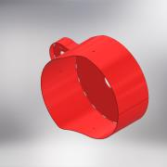 | KAYNALI İMALAT | 1 | 1 | YL-450-K01 | ANA GÖVDE KAYNAĞI (YATAY LAP-450) | 0
1.1 | YL-450-13S |  | SAC KESIM + KIVRIM | 1 | 1 | YL-450-13S | GÖVDE SACI (YATAY LAP-450) | 0
1.2 | YL-450-11S | 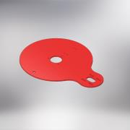 | SAC KESIM | 1 | 1 | YL-450-11S | ANA GÖVDE TABAN SACI (YATAY LAP-450) | 0
1.3 | YL-450-S16 |  | SAC KESIM + KIVRIM | 1 | 1 | YL-450-S16 | ANA GÖVDE MOTOR MUHAFAZA SACI | 0
1.4 | YL-450-T10 | 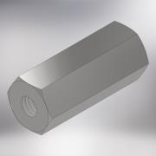 | TALAŞL İMALAT | 3 | 3 | YL-450-T10 | LASTİK TAKOZ SOMUNU | 0
1.5 | DIN 2605 90 Deg Elbow Type 3 21.3 - 2S |  | STANDART | 1 | 1 |  | Elbow
2 | YL-450-01T | 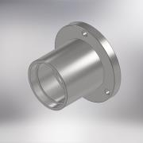 | TALAŞL İMALAT | 1 | 1 | YL-450-01T | RULMAN YATAGI (YATAY LAP-450) | 0
3 | YL-450-SP-06 |  | STANDART | 1 | 1 | YL-450-SP-06 | O-RING (90x5)
4 | ISO 4762 - M10 x 25 |  | STANDART | 3 | 3 | IM1025 | IMBUS CIVATA (M10 x 25)
5 | YL-450-SP-02 | 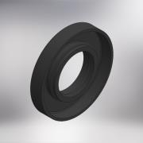 | STANDART | 1 | 1 | YL-450-SP-02 | YAG KECESI (80x40x13)
6 | YL-450-02T | 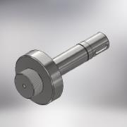 | TALAŞL İMALAT | 1 | 1 | YL-450-02T | MIL (YATAY LAP-450) | 0
7 | DIN 471 - 35x1,5 | 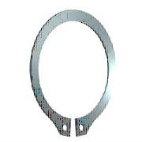 | STANDART | Each | 1 | SK1,535 | EMNİYET SEGMANI
8 | YL-450-K03 | 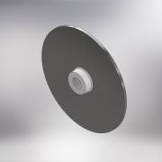 | KAYNALI İMALAT | 1 | 1 | YL-450-K03 | KESKİ TAŞI KAYNAĞI | 0
8.1 | YL-450-K02 | 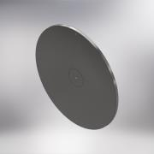 | TALAŞL İMALAT | 1 | 1 | YL-450-K02 | KESKİ SACI TALAŞLI İMALAT | 0
8.1.1 | YL-450-12S | 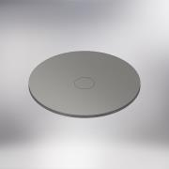 | SAC KESIM | 1 | 1 | YL-450-12S | TAŞLAMA SACI (YATAY LAP-450) | 0
8.2 | YL-450-03T | 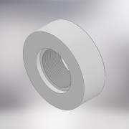 | TALAŞL İMALAT | 1 | 1 | YL-450-03T | DISK KAYNAK SOMUNU (YATAY LAP-450) | 0
9 | ISO 10642 - M8 x 40 | 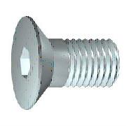 | STANDART | 1 | 1 | HV0840 | HAVŞA BAŞLI CIVATA (M8 x 40)
10 | YL-450-04T | 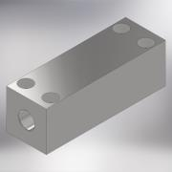 | TALAŞLI İMALAT | 1 | 1 | YL-450-04T | TAKOZ (YATAY LAP-450) | 0
11 | YL-450-05T | 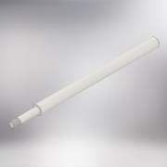 | TALAŞLI İMALAT | 1 | 1 | YL-450-05T | KASNAK İLİTLEME MANDALI (YATAY LAP-450) | 0
12 | ISO 4762 - M8 x 40 |  | STANDART | 4 | 4 | IM0840 | IMBUS CIVATA (M8 x 40)
13 | YL-450-SP-03 | 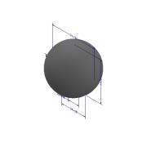 | STANDART | 1 | 1 | YL-450-SP-03 | SKMA TOPUZU (M10)
14 | YL-450-10S |  | SAC KESİM | 1 | 1 | YL-450-10S | TABAN MUHAFZA SACI (YATAY LAP-450) | 0
15 | DIN 6885 - A 10 x 8 x 32 | 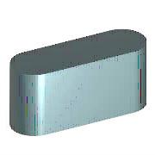 | STANDART | 1 | 1 |  | KAMA (A10 x 8 x 32)
16 | YL-450-SP-04 | 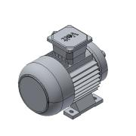 | STANDART | 1 | 1 | YL-450-SP-04 | ELEKTRİK MOTORU (1.1KW 1400 DEV/MIN-220V-B14) | 0
17 | DIN 9021 - 8,4 |  | STANDART | 4 | 4 | PLL08 | DÜZ GENİŞ RONDELA (M8)
18 | ISO 4762 - M8 x 25 |  | STANDART | 4 | 4 | IM0825 | IMBUS CIVATA (M8 x 25)
19 | YL-450-T06 | 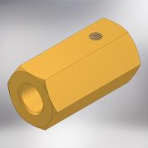 | TALAŞLI İMALAT | 2 | 2 | YL-450-T06 | SARI MİL SABİTLEE SOMUNU (YATAY LAP) | 0
20 | ISO 4762 - M8 x 12 |  | STANDART | 4 | 4 | IM0812 | IMBUS CIVATA (M8 x 12)
21 | YL-450-T07 | 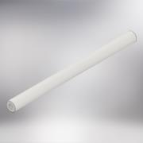 | TALAŞLI İMALAT | 2 | 2 | YL-450-T07 | ELEKTRİK PANOSU MİLİ | 0
22 | ISO 4762 - M8 x 16 |  | STANDART | 4 | 4 | IM0816 | IMBUS CIVATA (M8 x 16)
23 | YL-450-T08 | 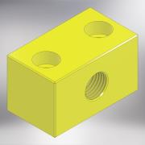 | TALAŞLI İMALAT | 1 | 1 | YL-450-T08 | SOĞUTMA SIVISI BAĞLANTI KESTAMİTİ | 0
24 | YL-450-14S | 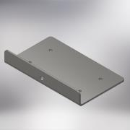 | SAC KESIM + KIVRIM | 1 | 1 | YL-450-14S | ELEKTRİK DOLABI BAĞLANTI SACI (YATAY LAP-450) | 0
25 | YL-450-T09 | 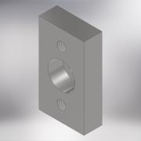 | TALAŞLI İMALAT | 1 | 1 | YL-450-T09 | SOĞUTA BLOĞU BAĞLANTI LAMASI | 0
26 | ISO 4762 - M6 x 30 |  | STANDART | 2 | 2 | IM0630 | IMBUS CIVATA (M6 x 30)
27 | BKM-SP15 | 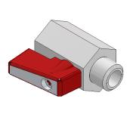 | STANDART | 1 | 1 | BKM-SP15 | MİNİ VANA (1/4'') | 0
28 | BKM-SP14 | 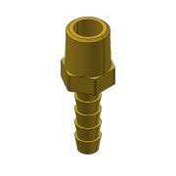 | STANDART | 1 | 1 | BKM-SP14 | HORTUM MARPUCU (SARI) 1/4" | 0
29 | Tubes FHT.1/4 | 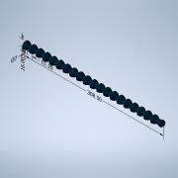 | STANDART | 1 | 1 |  | YAĞLAMA HORTUMU
30 | BKM-SP18 | 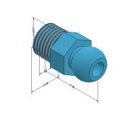 | STANDART | 1 | 1 | BKM-SP18 | YAĞLAMA HORTUM MRPUCU (1/4'') | 0
31 | BKM-SP19 | 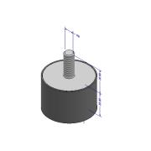 | STANDART | 3 | 3 | BKM-SP19 | TİTREŞİM TAKOZU
32 | YL-450-T11 | 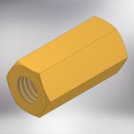 | TALAŞLI İMALAT | 3 | 3 | YL-450-T11 | SABİTLEMESOMUNU | 0
33 | DIN 125 - A 8,4 |  | STANDART | 3 | 3 |  | DÜZ RONDELA (M8)
34 | ISO 4017 - M8 x 20 | 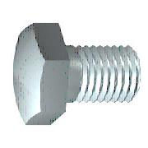 | STANDART | 3 | 3 | CV0820 | CIVATA AKB (M8 x 20)
35 | BKM-SP23 | 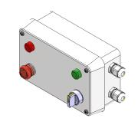 | ELEKTRİK MONTA | 1 | 1 | BKM-SP23 | ELEKTRİK DOLABI (PLASTIK) | 0
36 | YL-450-T18 | 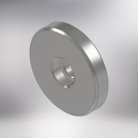 | TALAŞLI İMALAT | 1 | 1 | YL-450-T18 | ALIN RONDELASI | 0
37 | ISO 4762 - M8 x 20 |  | STANDART | 1 | 1 | IM0820 | IMBUS CIVATA (M8 x 20)
38 | YL-450-T12 | 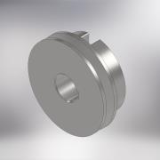 | TALAŞLI İMALAT | 1 | 1 | YL-450-T12 | ORTA MİL KASNAĞİ | 0
39 | YL-450-T13 | 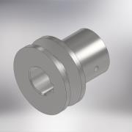 | TALAŞLI İMALAT | 1 | 1 | YL-450-T13 | MOTOR KASNAĞI | 0
40 | DIN 916 - M6 x 6 | 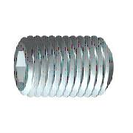 | STANDART | 1 | 1 | ST0606 | SETSKUR (M6 x 6)
41 | YL-450-SP-07 | 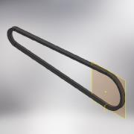 | STANDART | 1 | 1 | YL-450-SP-07 | KAYIŞ (13x850)
42 | YL-450-SP-08 | 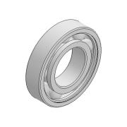 | STANDART | 3 | 3 | YL-450-SP-08 | RULMAN (6207) | 0

